Sheet1
Algorithm | Type | Classifier | Hyperparameters Optimization | Features-Model Tpot | Species | Accuracy | AUC ROC
Logistic Regression | Classical | LogisticRegression() | {'C': [0.1, 1, 10]} | modred | Human Test | 0.86 | 0.920
SVM | Classical | SVC(probability=True) | {'C': [0.1, 1, 10], 'kernel': ['linear', 'rbf']} | modred | Human Independent | 0.82 | 0.780
MLP | Classical | MLPClassifier() | {'hidden_layer_sizes': [(50,), (100,), (50, 50)]} | modred | Eel | 0.72 | 0.740
K-Nearest Neighbors | Classical | KNeighborsClassifier() | {'n_neighbors': [3, 5, 7]} | modred | Mouse | 0.80 | 0.860
Decision Tree | Classical | DecisionTreeClassifier() | {'max_depth': [None, 10, 20]} | modred | Cow | 0.80 | 0.840
Naive Bayes | Classical | GaussianNB() | {} | modred | Ray | 0.64 | 0.690
Random Forest | Ensemble | RandomForestClassifier() | {'n_estimators': [100, 200, 300]} | modred | Mosquito | 0.80 | 0.860
Gradient Boosting | Ensemble | GradientBoostingClassifier() | {'n_estimators': [100, 200, 300], 'learning_rate': [0.01, 0.1, 1.0]} | rdkit | Human Test | 0.86 | 0.930
Bagging | Ensemble | BaggingClassifier(base_estimator=DecisionTreeClassifier(), n_estimators=100) | {} | rdkit | Human Independent | 0.84 | 0.810
AdaBoost | Ensemble | AdaBoostClassifier(base_estimator=DecisionTreeClassifier(), n_estimators=100) | {'n_estimators': [50, 100, 200]} | rdkit | Eel | 0.56 | 0.530
Stacking | Ensemble | StackingClassifier(estimators=[('rf', RandomForestClassifier()),('gb', GradientBoostingClassifier())],final_estimator=LogisticRegression()) | {} | rdkit | Mouse | 0.51 | 0.460
Extra Trees | Ensemble | ExtraTreesClassifier() | {'n_estimators': [100, 200, 300]} | rdkit | Cow | 0.49 | 0.540
HistGradientBoosting | Ensemble | HistGradientBoostingClassifier() | {'max_iter': [100, 200, 300]} | rdkit | Ray | 0.58 | 0.600
Tpot | Auto ML(genetic algorithm) | TPOTClassifier(generations=5, population_size=20, cv=5, random_state=42, verbosity=2) | {} | rdkit | Mosquito | 0.51 | 0.460
 |  |  |  | pubchem | Human Test | 0.87 | 0.930
Graph Based Model |  |  |  | pubchem | Human Independent | 0.76 | 0.790
graph conv | ConvMolFeaturizer() | GraphConvModel(n_tasks, mode='classification') | {'batch_size': [64, 128, 256],'dropout': [0.01, 0.1, 0.2],'nb_epoch': [10, 30, 60, 120]}
weave | WeaveFeaturizer() | WeaveModel(n_tasks=1, mode="classification) | { n_weave=2, fully_connected_layer_sizes=[2000, 1000]}
graph attention network | MolGraphConvFeaturizer() | GATModel(n_tasks=1, mode='classification') | {'n_heads': [4, 8],'hidden_feats': [64, 128],'dropout': [0.3, 0.5],'learning_rate': [0.001, 0.01],'nb_epoch': [10, 30, 60], 'nb_epoch': [10, 30, 60]}
message passing neural network | MolGraphConvFeaturizer(use_edges=True) | MPNNModel(mode='classification', n_tasks=1) | { 'n_tasks': [1],'batch_size': [8, 16, 32],'learning_rate': [0.0001, 0.001, 0.01], 'nb_epoch': [5, 10, 20]}

classical+ensemble | No. of Preprocessed Features | Best Model | Best Hyperparameters | pubchem | Eel | 0.70 | 0.760
modred | 384 | HistGradientBoostingClassifier() | {"max_iter": 200} | pubchem | Mouse | 0.78 | 0.850
rdkit | 130 | ExtraTreesClassifier() | {"n_estimators": 200} | pubchem | Cow | 0.76 | 0.84
pubmed | 881 | RandomForestClassifier() | {'n_estimators': 300} | pubchem | Ray | 0.59 | 0.64
circular fingerprint | 2048 | HistGradientBoostingClassifier() | {"max_iter": 100} | pubchem | Mosquito | 0.78 | 0.85
maccs key | 167 | HistGradientBoostingClassifier() | {"max_iter": 100} | circular fingerprint | Human Test | 0.82 | 0.9
mol2vec | 300 | SVM | {"C": 10, "kernel": "rbf"} | circular fingerprint | Human Independent | 0.71 | 0.77
 |  |  |  | circular fingerprint | Eel | 0.69 | 0.77
tpot(autoML) |  |  |  | circular fingerprint | Mouse | 0.76 | 0.87
modred | 1067 | ExtraTreesClassifier | (input_matrix, bootstrap=False, criterion=entropy, max_features=0.7500000000000001, min_samples_leaf=6, min_samples_split=9, n_estimators=100) | circular fingerprint | Cow | 0.73 | 0.87
rdkit | 184 | ExtraTreesClassifier | (input_matrix, bootstrap=False, criterion=entropy, max_features=1.0, min_samples_leaf=2, min_samples_split=9, n_estimators=100) | circular fingerprint | Ray | 0.61 | 0.71
pubmed | 881 | ExtraTreesClassifier | (input_matrix, bootstrap=True, criterion=entropy, max_features=0.8, min_samples_leaf=1, min_samples_split=5, n_estimators=100) | circular fingerprint | Mosquito | 0.76 | 0.87
circular fingerprint | 2048 | RandomForestClassifier | (RandomForestClassifier(input_matrix, bootstrap=True, criterion=entropy, max_features=0.3, min_samples_leaf=5, min_samples_split=7, n_estimators=100), bootstrap=True, criterion=gini, max_features=0.2, min_samples_leaf=8, min_samples_split=4, n_estimators=100) | mol2vec | Human Test | 0.85 | 0.92
maccs key | 167 | ExtraTreesClassifier | (input_matrix, bootstrap=False, criterion=gini, max_features=0.05, min_samples_leaf=1, min_samples_split=4, n_estimators=100) | mol2vec | Human Independent | 0.77 | 0.81
mol2vec | 300 | RandomForestClassifier | (input_matrix, bootstrap=False, criterion=gini, max_features=0.2, min_samples_leaf=8, min_samples_split=17, n_estimators=100) | mol2vec | Eel | 0.70 | 0.72
 |  |  |  | mol2vec | Mouse | 0.80 | 0.78
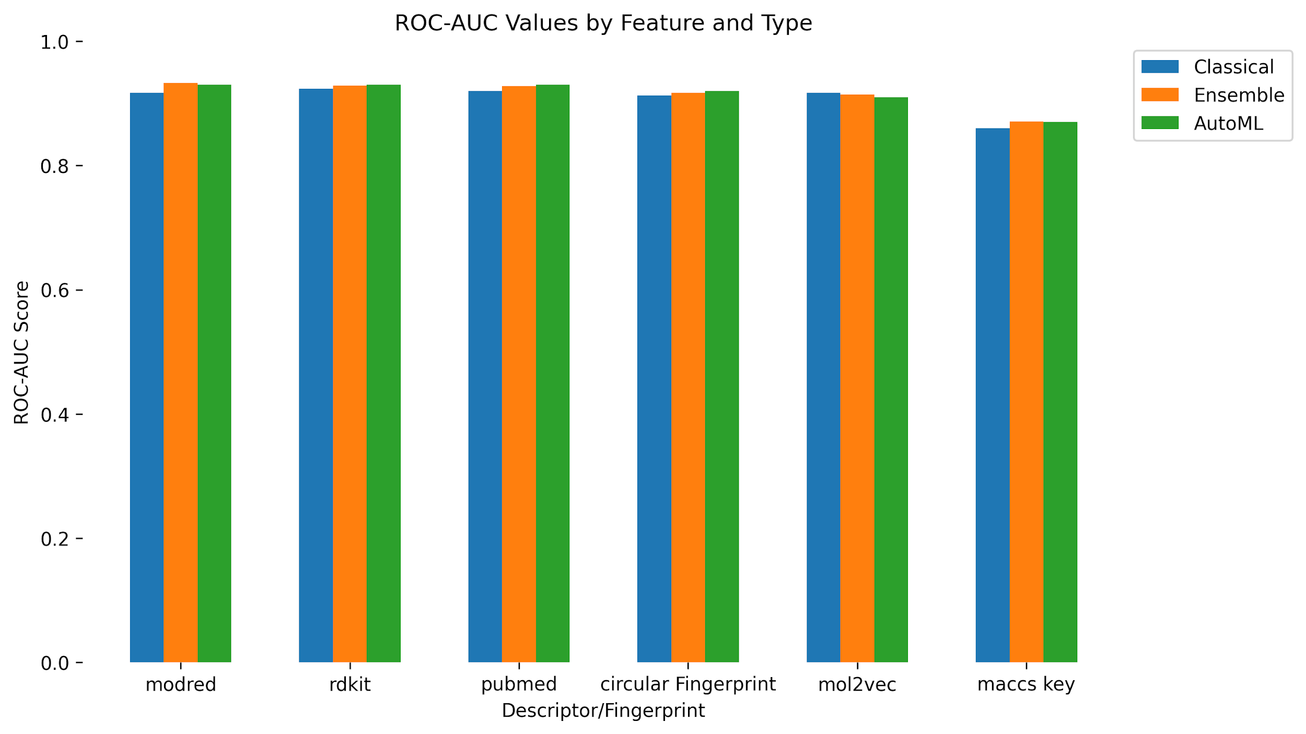
 |  |  |  | mol2vec | Cow | 0.71 | 0.81
 |  |  |  | mol2vec | Ray | 0.63 | 0.67
 |  |  |  | mol2vec | Mosquito | 0.80 | 0.78
 |  |  |  | maccs key | Human Test | 0.82 | 0.89
 |  |  |  | maccs key | Human Independent | 0.77 | 0.77
 |  |  |  | maccs key | Eel | 0.71 | 0.72
 |  |  |  | maccs key | Mouse | 0.73 | 0.76
 |  |  |  | maccs key | Cow | 0.69 | 0.76
 |  |  |  | maccs key | Ray | 0.61 | 0.61
 |  |  |  | maccs key | Mosquito | 0.73 | 0.76

 |  |  |  |  | Feature | Model | Validation Accuracy | Test Accuracy | Precision | Recall | F1 Score | ROC-AUC | MCC | Type
 |  |  |  |  | Modred | HistGradientBoosting | 0.828 | 0.874 | 0.875 | 0.874 | 0.874 | 0.933 | 0.740 | Ensemble
 |  |  |  |  | Modred | Tpot* | 0.860 | 0.860 | 0.820 | 0.840 | 0.830 | 0.930 | 0.710 | AutoML
 |  |  |  |  | Rdkit | HistGradientBoosting | 0.827 | 0.858 | 0.859 | 0.858 | 0.858 | 0.929 | 0.707 | Ensemble
 |  |  |  |  | Rdkit | Tpot* | 0.867 | 0.863 | 0.818 | 0.851 | 0.834 | 0.930 | 0.717 | AutoML
 |  |  |  |  | Pubmed | HistGradientBoosting | 0.830 | 0.859 | 0.861 | 0.859 | 0.860 | 0.928 | 0.712 | Ensemble
 |  |  |  |  | Pubmed | Tpot* | 0.855 | 0.866 | 0.822 | 0.855 | 0.838 | 0.930 | 0.724 | AutoML
 |  |  |  |  | Circular Fingerprint | HistGradientBoosting | 0.834 | 0.857 | 0.857 | 0.857 | 0.857 | 0.917 | 0.706 | Ensemble
 |  |  |  |  | Circular Fingerprint | Tpot* | 0.843 | 0.862 | 0.854 | 0.811 | 0.832 | 0.920 | 0.716 | AutoML
 |  |  |  |  | MolToVec | SVM | 0.822 | 0.834 | 0.837 | 0.834 | 0.835 | 0.917 | 0.667 | Classical
 |  |  |  |  | MolToVec | Tpot* | 0.823 | 0.846 | 0.844 | 0.799 | 0.821 | 0.910 | 0.686 | AutoML
 |  |  |  |  | MACCS key | HistGradientBoosting | 0.809 | 0.779 | 0.779 | 0.779 | 0.779 | 0.871 | 0.556 | Ensemble
 |  |  |  |  | MACCS key | Tpot* | 0.841 | 0.796 | 0.799 | 0.747 | 0.772 | 0.870 | 0.588 | AutoML

 |  |  |  |  | Feature | Model | Validation Accuracy | Test Accuracy | Precision | Recall | F1 Score | ROC-AUC | MCC | Type
 |  |  |  |  | Modred | HistGradientBoosting | 0.828 | 0.874 | 0.875 | 0.874 | 0.874 | 0.933 | 0.740 | Ensemble
 |  |  |  |  | Modred | Tpot* | 0.860 | 0.860 | 0.820 | 0.840 | 0.830 | 0.930 | 0.710 | AutoML

